Sheet1
4-4
4-2
Channel | Electrode Name
1 | 1-1
2 | 1-2
3 | 1-3
K2-2
K2-1
4 | 1-4
5 | 2-2
3-4
3-3
3-2
3-1
6 | 2-4
7 | 3-1
8 | 3-2
9 | 3-3
10 | 3-4
K1-2
K1-1
11 | 4-2
12 | 4-4
1-4
1-3
1-2
1-1
13 | K1-1
14 | K1-2 |  | Full Wafer Orientation as it is in the probe card
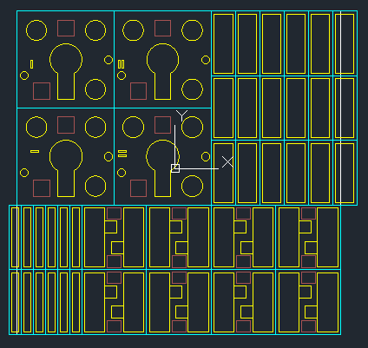
15 | K2-1
16 | K2-2
17 | F-1
18 | F-2
19 | F-3
F-18
F-16
F-17
F-15
F-13
F-14
20 | F-4
21 | F-5
22 | F-6
23 | F-7
24 | F-8
F-10
25 | F-9
F-12
F-11
F-9
F-7
F-8
26 | F-10
27 | F-11
28 | F-12
29 | F-13
30 | F-14
F-6
F-4
F-5
F-3
F-1
F-2
31 | F-15
32 | F-16
33 | F-17
34 | F-18
35 | UC-1L
36 | UC-1R
UC-6R
37 | UC-2L
UC-8R
UC-8L
UC-7R
UC-7L
UC-5R
UC-5L
38 | UC-2R
UC-6L
39 | UC-3L
40 | UC-3R
41 | UC-4L
42 | UC-4R
43 | UC-5L
44 | UC-5R
UC-4R
UC-4L
UC-3R
UC-3L
UC-2R
UC-1R
45 | UC-6L
UC-2L
UC-1L
46 | UC-6R
47 | UC-7L
48 | UC-7R
49 | UC-8L
50 | UC-8R
51 | H-1
52 | H-2
53 | H-3 | The Half PZT is not currently measured
54 | H-4
H-11
H-12
H-10
H-7
H-8
55 | H-5
H-9
56 | H-6
57 | H-7
58 | H-8
59 | H-9
60 | H-10
61 | H-11
62 | H-12

H-5
H-4
H-1
H-2
H-6
H-3

